Performance By Creative
ORAU-BMC Naloxone Research-153811 - Performance By Creative
05-06-2020 to 06-01-2020 |  | Generated: 06-01-2020 at 10:03:09 am CDT
Title | Image | Body | Impressions | Clicks | Page Likes | Post Likes | CTR | Reach | Average CPC | CPV | Total Cost
Help to Save a Life | 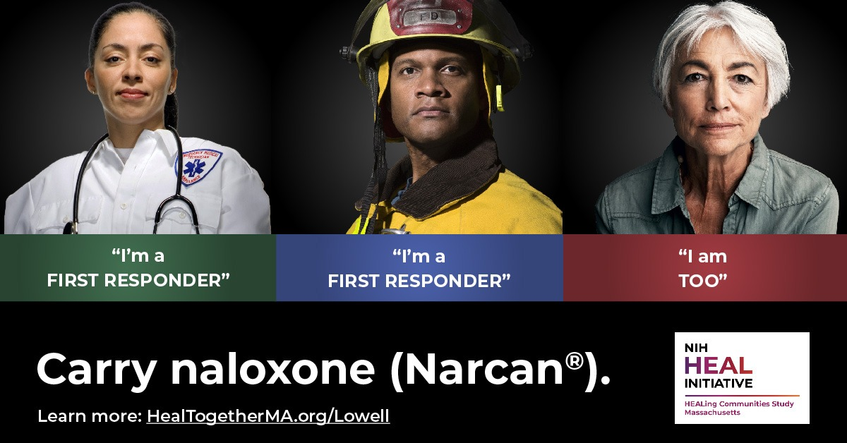 | Help your community combat the epidemic | 89949 | 360 | 0 | 6 | 0.40% | 52246 | $1.93 | $0.00 | $696.26
Help to Save a Life | 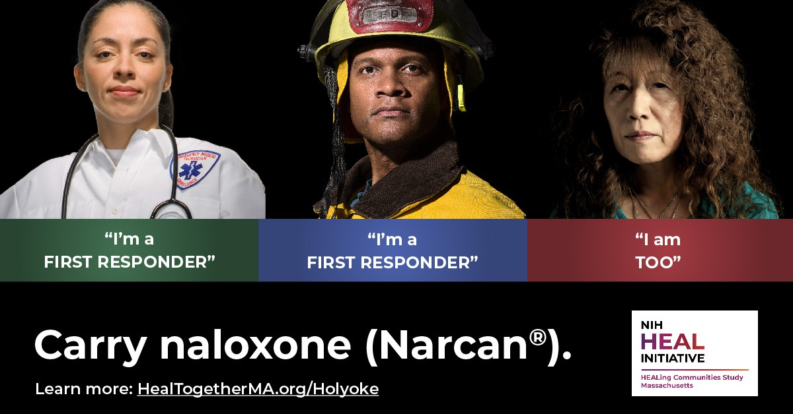 | Help your community combat the epidemic | 75496 | 446 | 0 | 9 | 0.59% | 53297 | $1.55 | $0.00 | $691.52
Help to Save a Life |  | Help your community combat the epidemic | 65868 | 385 | 0 | 9 | 0.58% | 45908 | $1.81 | $0.00 | $697.76
Help to Save a Life | 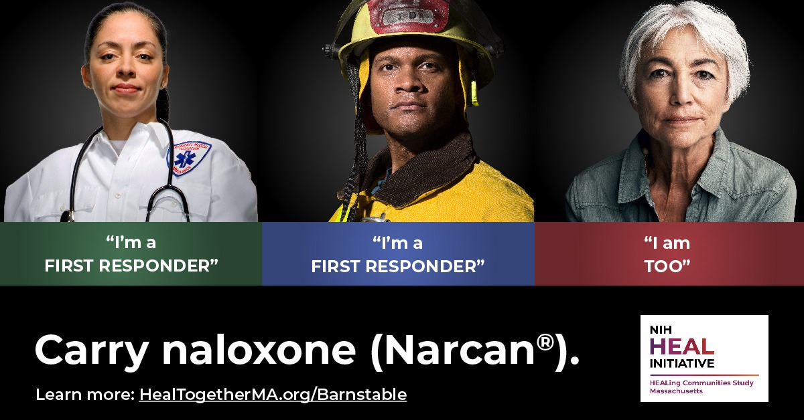 | Help your community combat the epidemic | 88513 | 406 | 0 | 13 | 0.46% | 42710 | $1.70 | $0.00 | $690.16
Help to Save a Life | 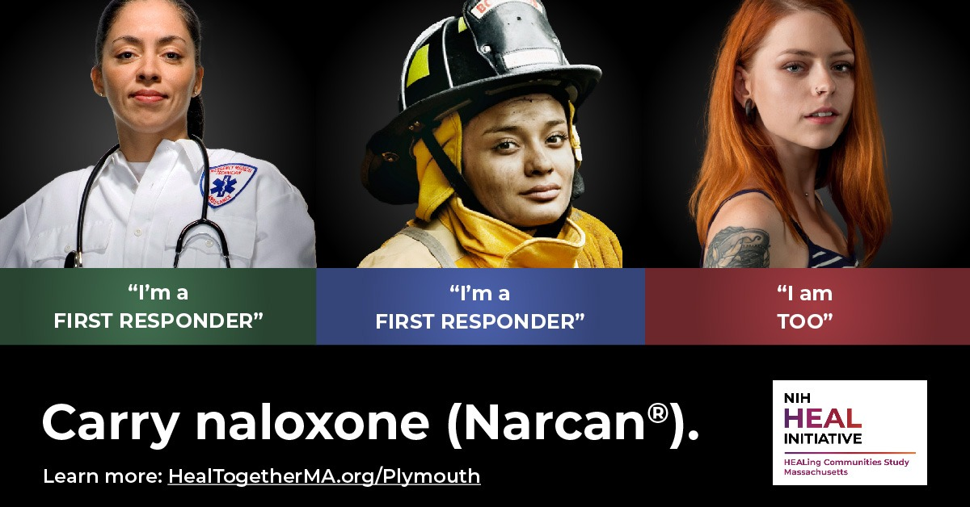 | Help your community combat the epidemic | 74498 | 657 | 0 | 20 | 0.88% | 45911 | $1.05 | $0.00 | $688.26
Help to Save a Life |  | Help your community combat the epidemic | 93263 | 477 | 0 | 20 | 0.51% | 39963 | $1.45 | $0.00 | $692.66
Help to Save a Life | 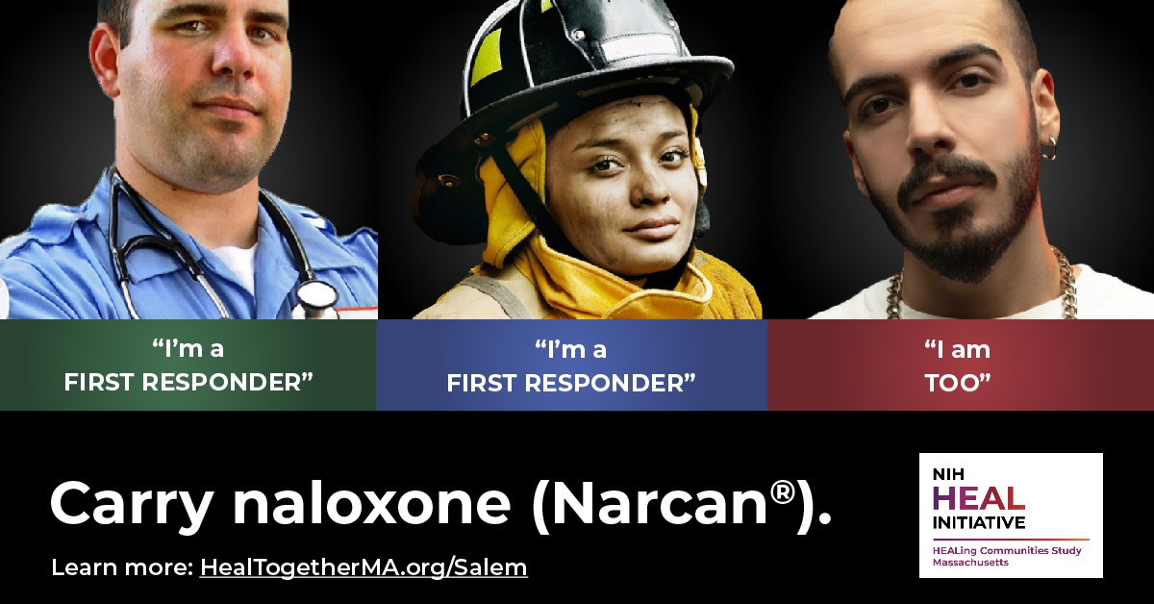 | Help your community combat the epidemic | 86108 | 479 | 0 | 21 | 0.56% | 50055 | $1.43 | $0.00 | $684.76
Ayuda a salvar una vida | 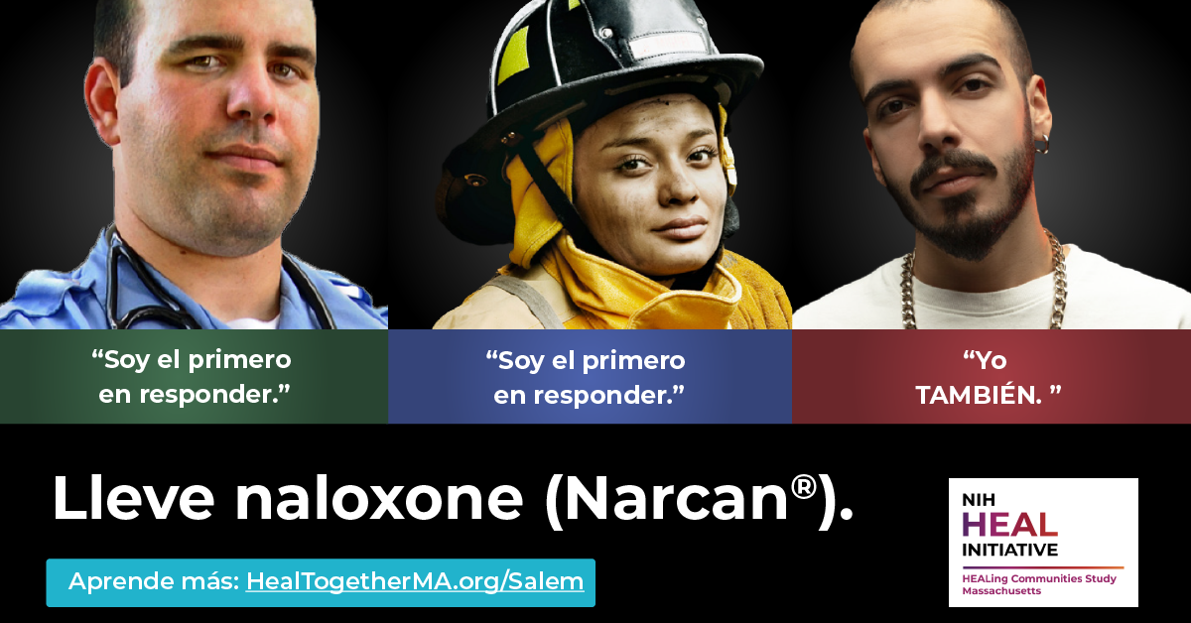 | Ayuda a tu comunidad a combatir la epidemia. | 23829 | 112 | 0 | 3 | 0.47% | 11373 | $3.25 | $0.00 | $363.88
Ayuda a salvar una vida | 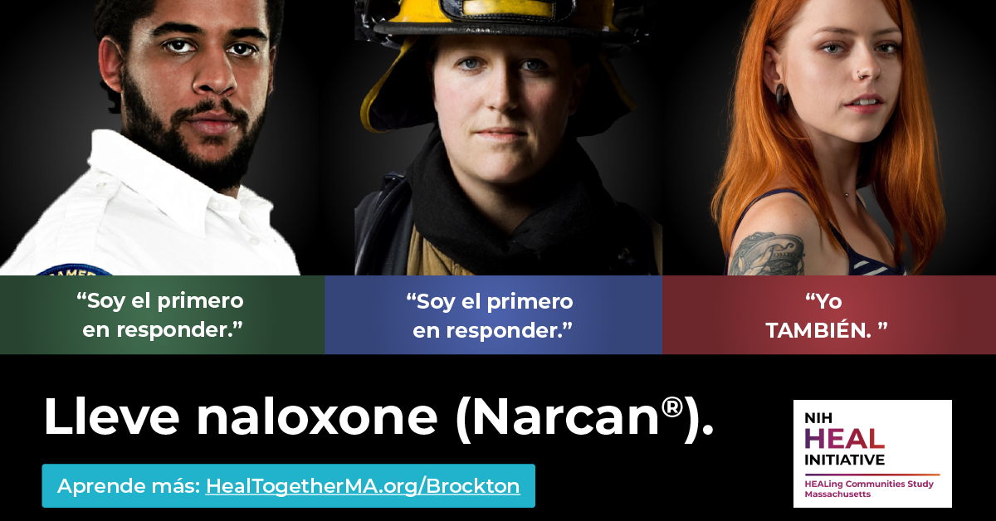 | Ayuda a tu comunidad a combatir la epidemia. | 24793 | 140 | 0 | 6 | 0.56% | 12585 | $2.60 | $0.00 | $364.38
Ayuda a salvar una vida | 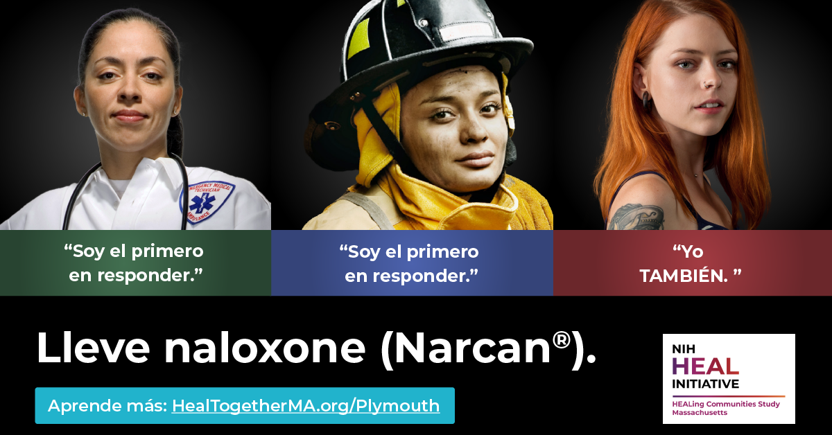 | Ayuda a tu comunidad a combatir la epidemia. | 7382 | 31 | 0 | 2 | 0.42% | 2861 | $8.28 | $0.00 | $256.74
Ayuda a salvar una vida | 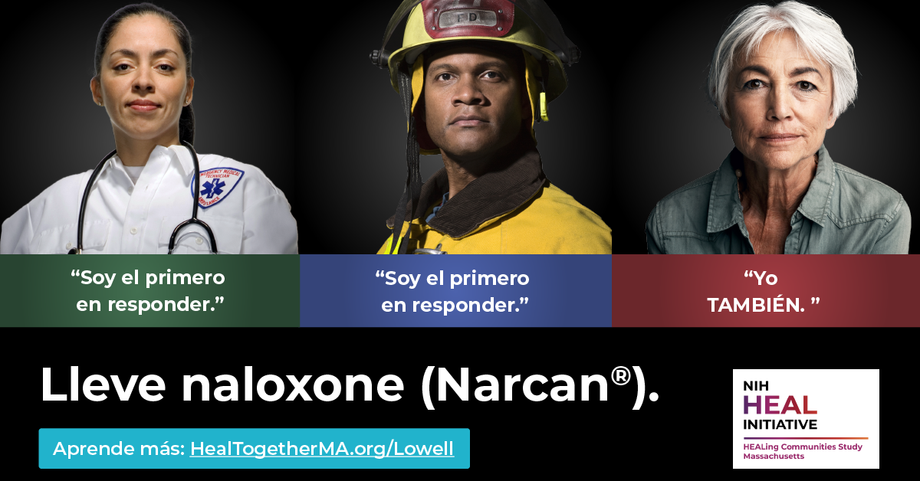 | Ayuda a tu comunidad a combatir la epidemia. | 29182 | 147 | 0 | 8 | 0.50% | 15528 | $2.51 | $0.00 | $368.72
Ayuda a salvar una vida | 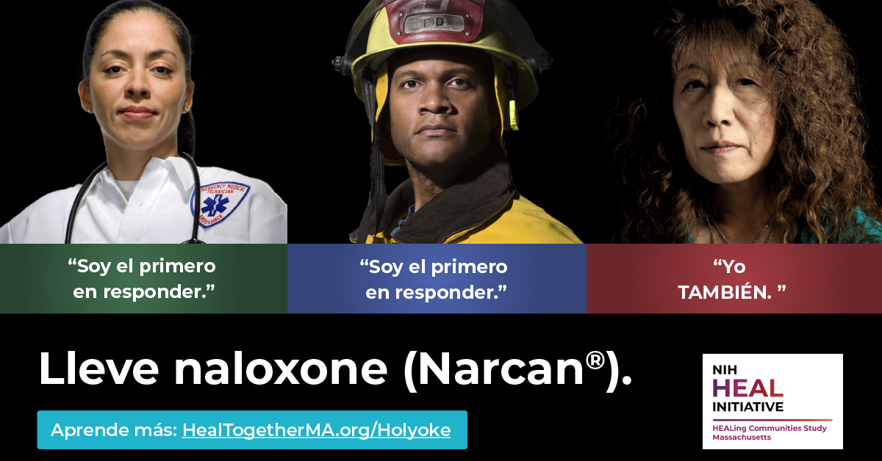 | Ayuda a tu comunidad a combatir la epidemia. | 27275 | 153 | 0 | 9 | 0.56% | 15265 | $2.42 | $0.00 | $369.92
Ayuda a salvar una vida |  | Ayuda a tu comunidad a combatir la epidemia. | 8048 | 38 | 0 | 1 | 0.47% | 3149 | $6.79 | $0.00 | $257.96
Ayuda a salvar una vida | 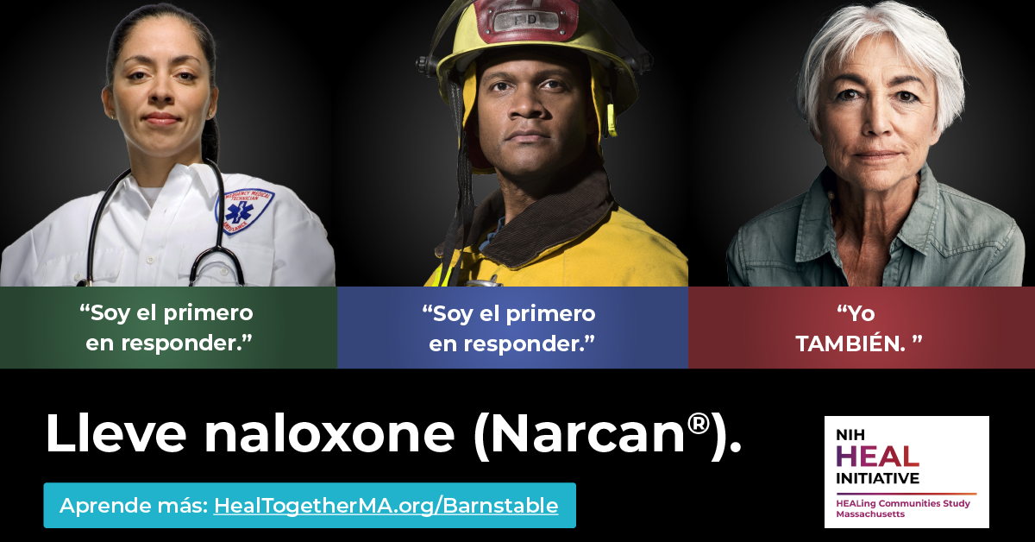 | Ayuda a tu comunidad a combatir la epidemia. | 3745 | 18 | 0 | 1 | 0.48% | 1779 | $7.54 | $0.00 | $135.74

