Performance By Creative
ORAU-BMC Naloxone Research-153811 - Performance By Creative
05-01-2020 to 05-31-2020 |  | Generated: 05-26-2020 at 11:13:57 am CDT
Title | Image | Body | Impressions | Clicks | Page Likes | Post Likes | Video Views | CTR | Reach | Average CPC | CPV | Total Cost
Help to Save a Life | 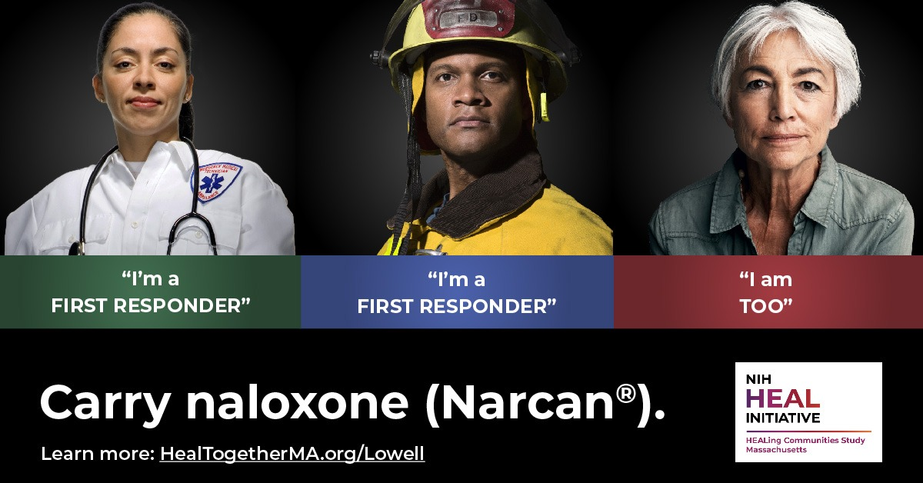 | Help your community combat the epidemic | 64892 | 247 | 0 | 4 | 0 | 0.38% | 35467 | $1.94 | $0.00 | $480.24
Help to Save a Life | 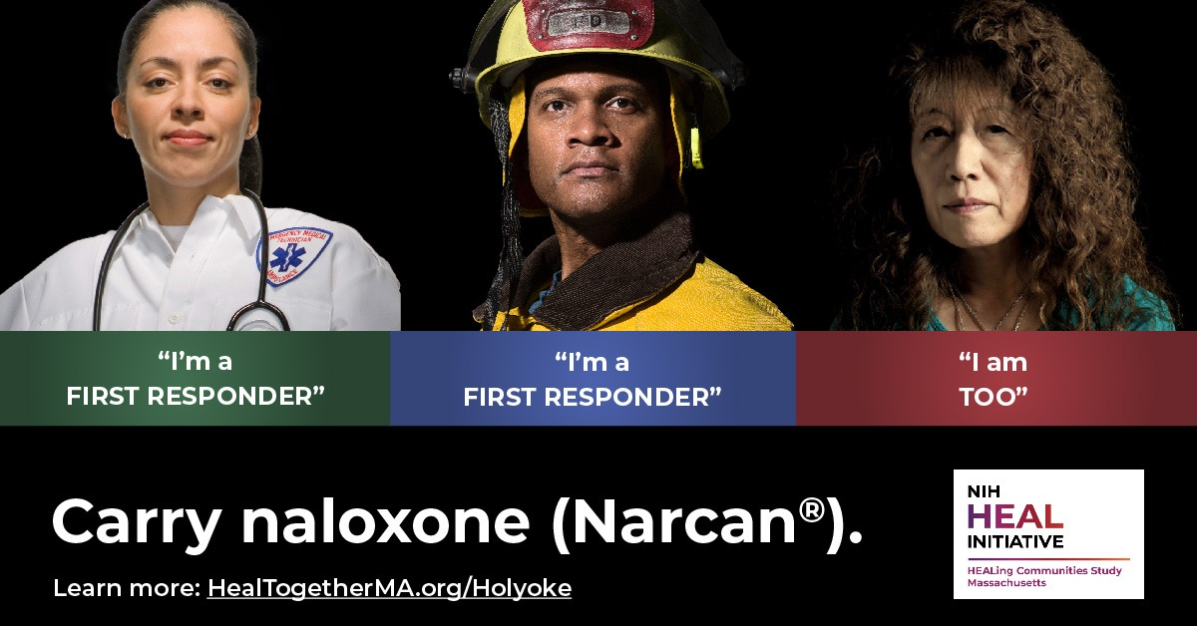 | Help your community combat the epidemic | 53456 | 312 | 0 | 8 | 0 | 0.58% | 36654 | $1.55 | $0.00 | $483.28
Help to Save a Life | 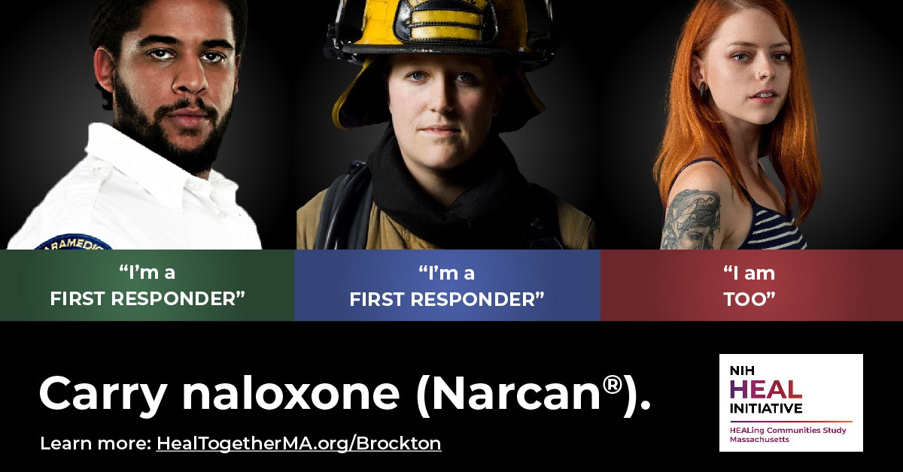 | Help your community combat the epidemic | 46920 | 274 | 0 | 6 | 0 | 0.58% | 31255 | $1.75 | $0.00 | $480.42
Help to Save a Life | 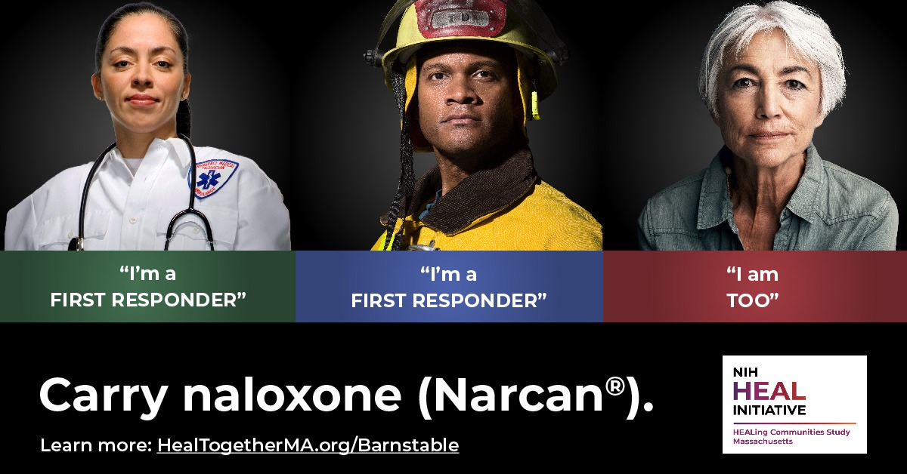 | Help your community combat the epidemic | 62168 | 288 | 0 | 8 | 0 | 0.46% | 28556 | $1.68 | $0.00 | $483.24
Help to Save a Life | 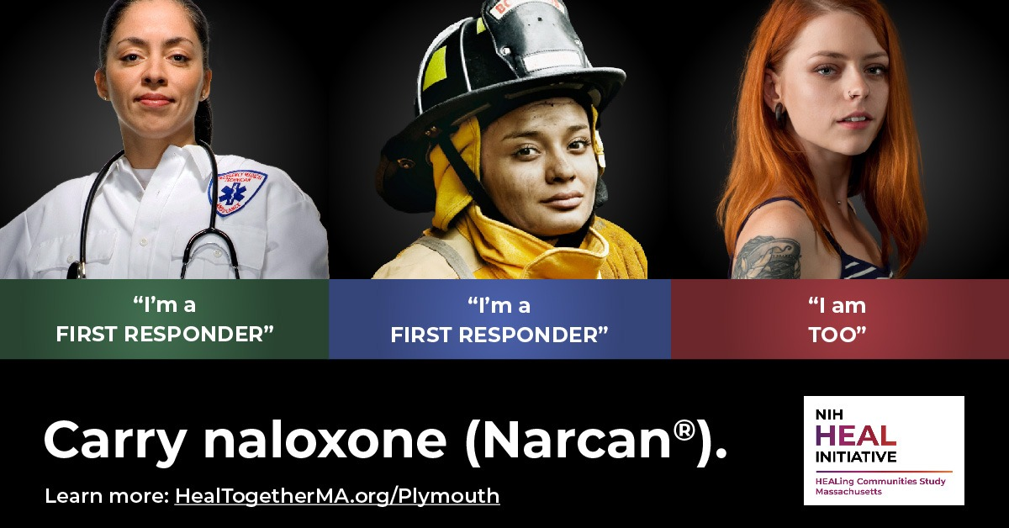 | Help your community combat the epidemic | 53719 | 416 | 0 | 10 | 0 | 0.77% | 31185 | $1.16 | $0.00 | $481.24
Help to Save a Life |  | Help your community combat the epidemic | 64522 | 333 | 0 | 15 | 0 | 0.52% | 26192 | $1.44 | $0.00 | $480.94
Help to Save a Life | 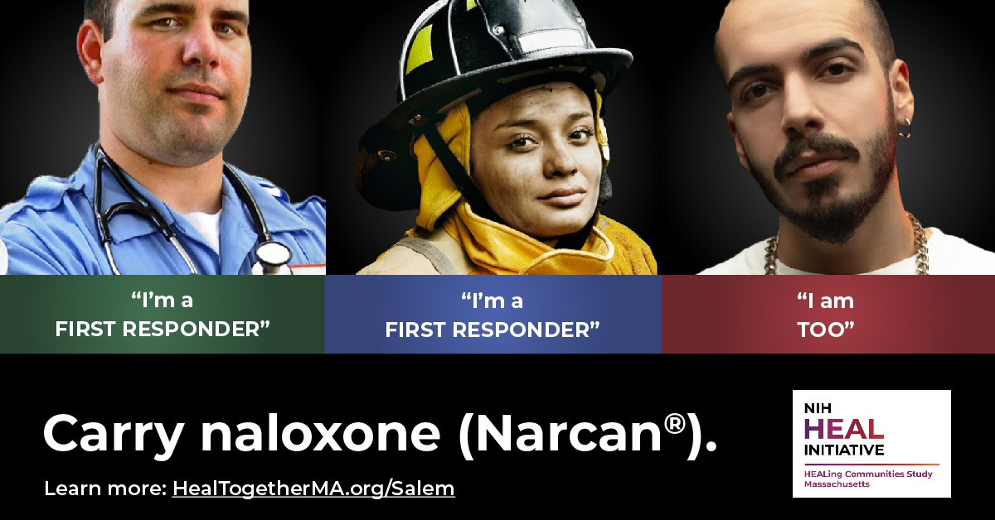 | Help your community combat the epidemic | 54868 | 322 | 0 | 18 | 0 | 0.59% | 31483 | $1.41 | $0.00 | $452.74
Ayuda a salvar una vida | 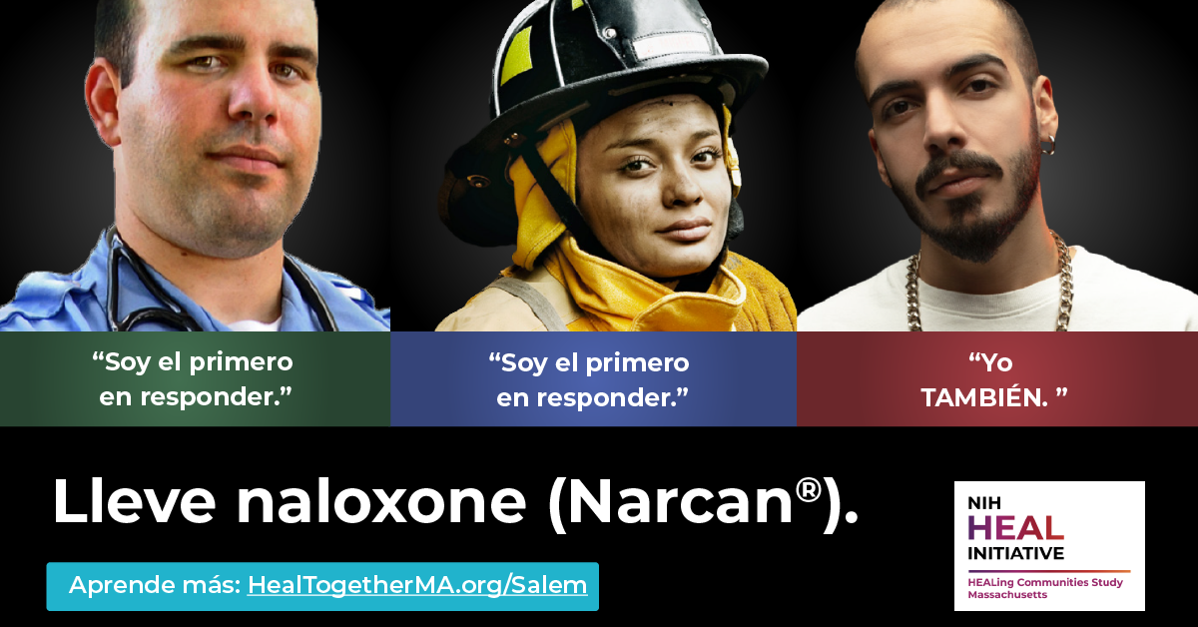 | Ayuda a tu comunidad a combatir la epidemia. | 13980 | 62 | 0 | 1 | 0 | 0.44% | 6827 | $3.49 | $0.00 | $216.34
Ayuda a salvar una vida | 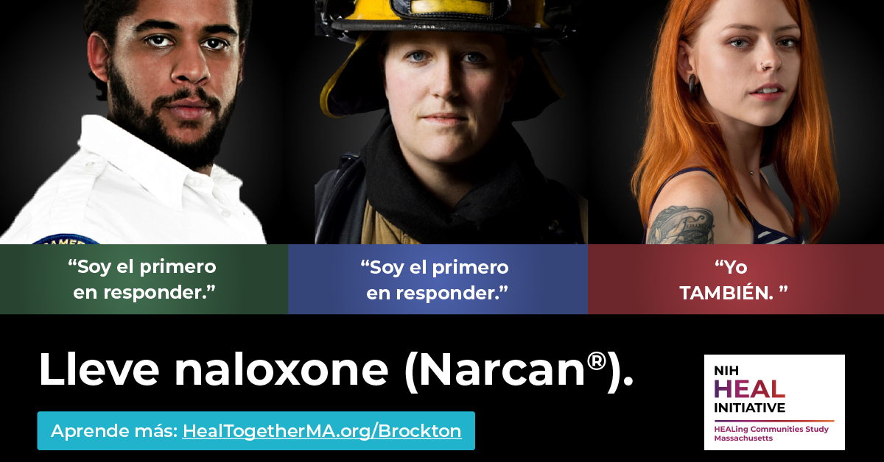 | Ayuda a tu comunidad a combatir la epidemia. | 14678 | 79 | 0 | 4 | 0 | 0.54% | 7557 | $2.73 | $0.00 | $215.62
Ayuda a salvar una vida | 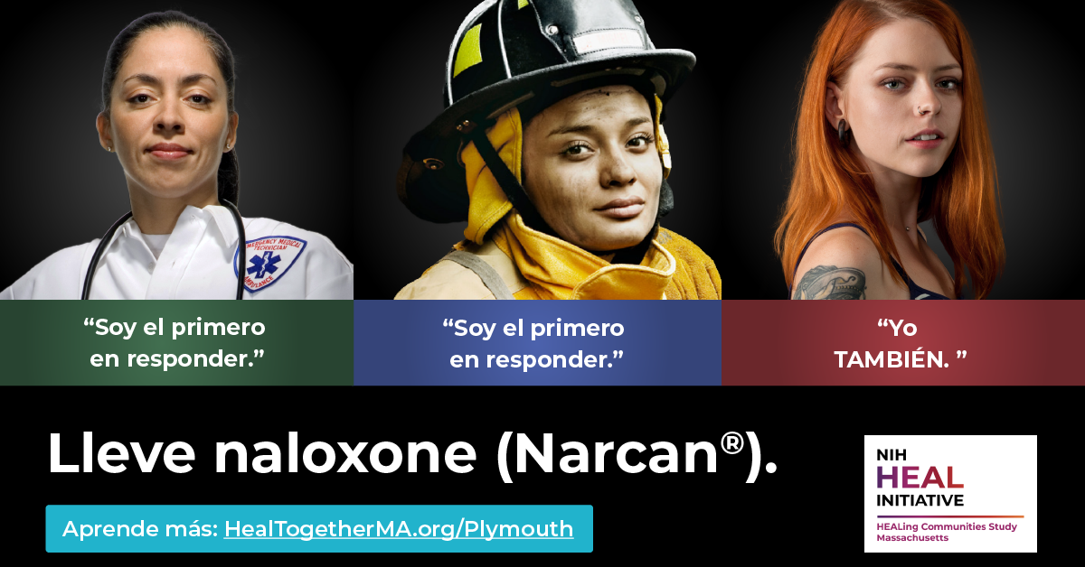 | Ayuda a tu comunidad a combatir la epidemia. | 2959 | 8 | 0 | 0 | 0 | 0.27% | 1211 | $12.26 | $0.00 | $98.06
Ayuda a salvar una vida | 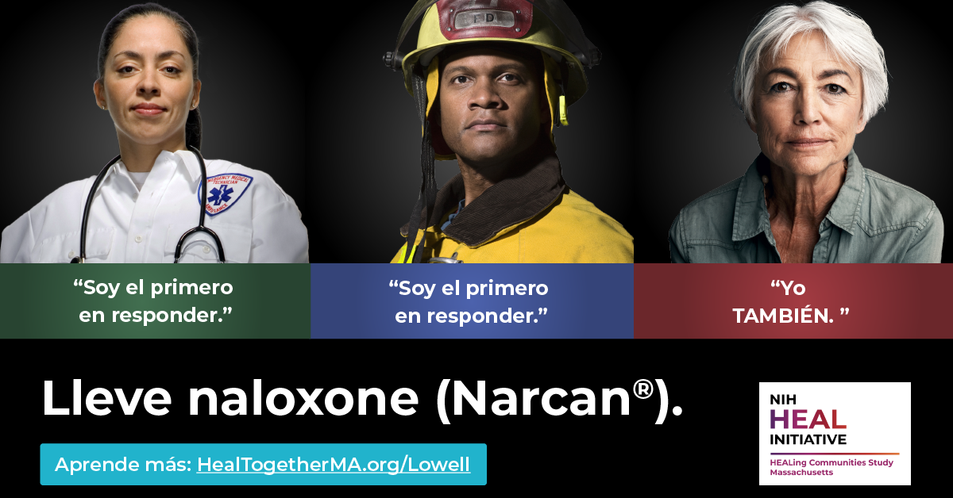 | Ayuda a tu comunidad a combatir la epidemia. | 17559 | 92 | 0 | 6 | 0 | 0.52% | 9421 | $2.34 | $0.00 | $215.58
Ayuda a salvar una vida | 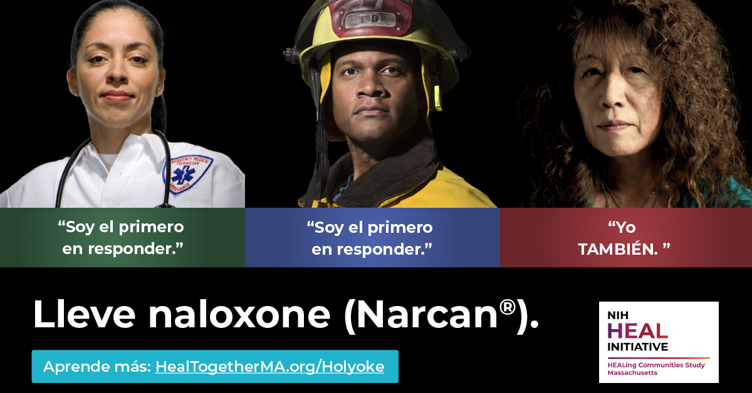 | Ayuda a tu comunidad a combatir la epidemia. | 16184 | 80 | 0 | 7 | 0 | 0.49% | 9175 | $2.71 | $0.00 | $216.66
Ayuda a salvar una vida |  | Ayuda a tu comunidad a combatir la epidemia. | 3323 | 14 | 0 | 0 | 0 | 0.42% | 1288 | $6.66 | $0.00 | $93.20
Ayuda a salvar una vida | 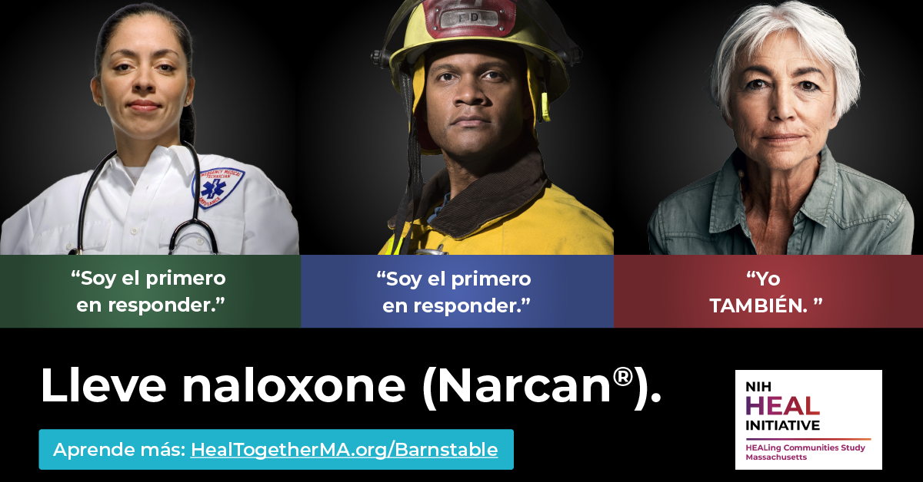 | Ayuda a tu comunidad a combatir la epidemia. | 1211 | 9 | 0 | 1 | 0 | 0.74% | 566 | $5.13 | $0.00 | $46.20

