Performance By Creative
ORAU-BMC Naloxone Research-153811 - Performance By Creative
05-06-2020 to 05-18-2020 |  | Generated: 05-18-2020 at 09:37:21 am CDT
Title | Image | Body | Impressions | Clicks | Page Likes | Post Likes | Video Views | CTR | Reach | Average CPC | CPV | Total Cost
Help to Save a Life | 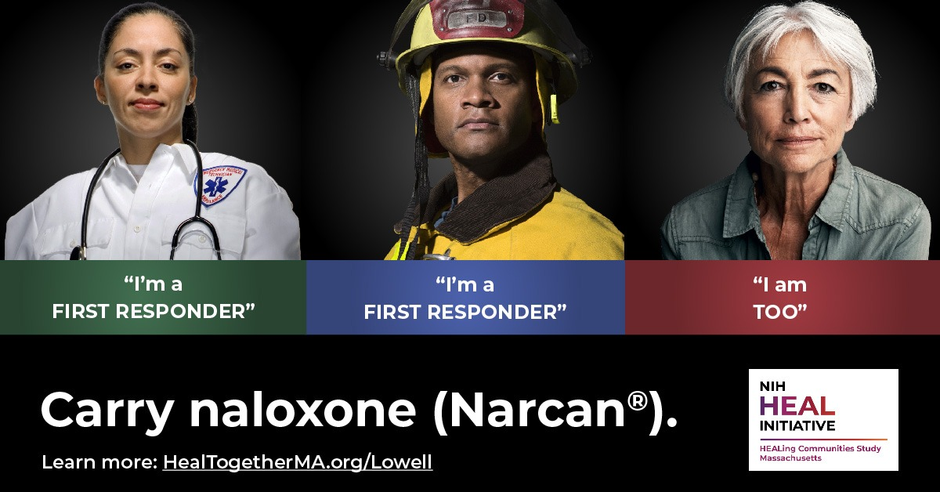 | Help your community combat the epidemic | 60604 | 229 | 0 | 4 | 0 | 0.38% | 33042 | $1.96 | $0.00 | $449.80
Help to Save a Life | 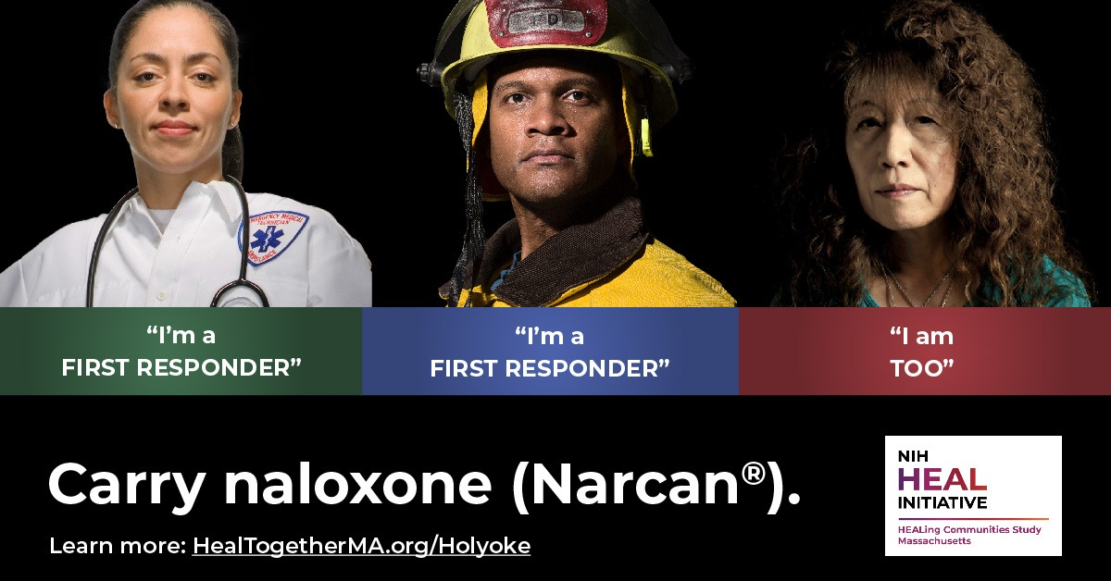 | Help your community combat the epidemic | 49985 | 289 | 0 | 8 | 0 | 0.58% | 34264 | $1.56 | $0.00 | $451.64
Help to Save a Life | 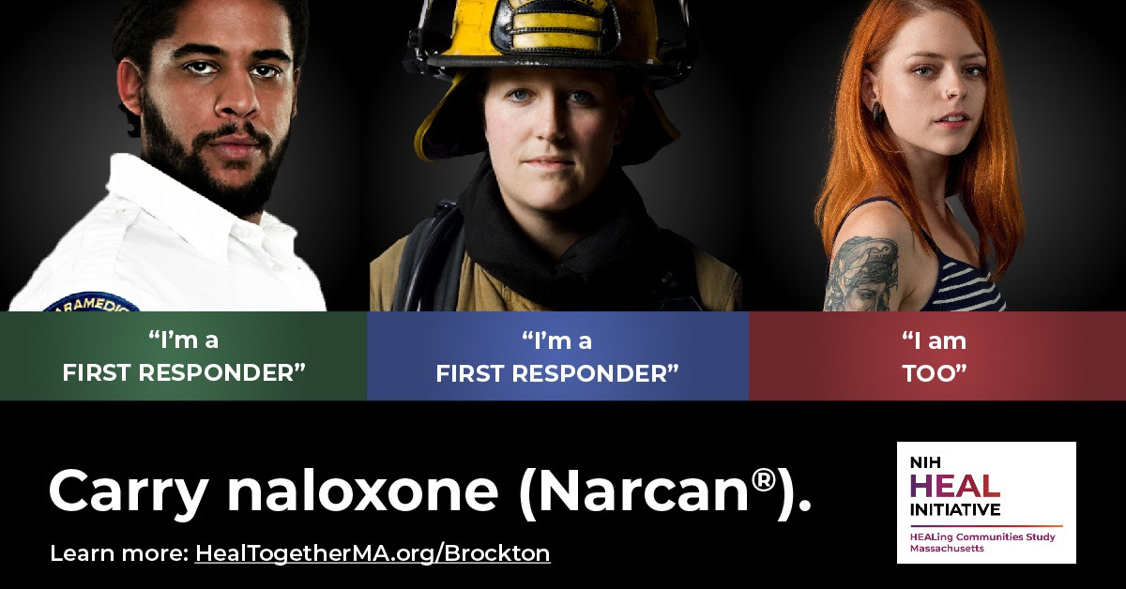 | Help your community combat the epidemic | 43904 | 252 | 0 | 6 | 0 | 0.57% | 29063 | $1.78 | $0.00 | $448.74
Help to Save a Life | 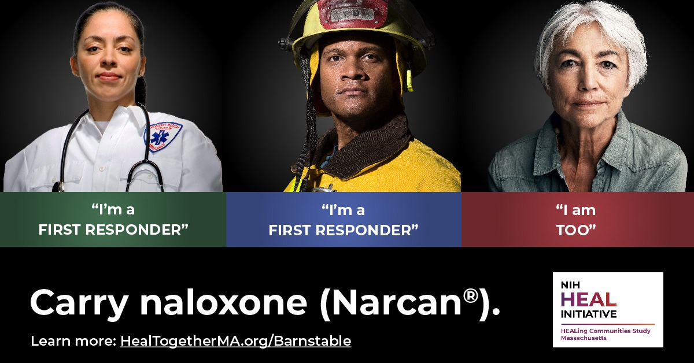 | Help your community combat the epidemic | 57539 | 272 | 0 | 8 | 0 | 0.47% | 26582 | $1.66 | $0.00 | $452.86
Help to Save a Life | 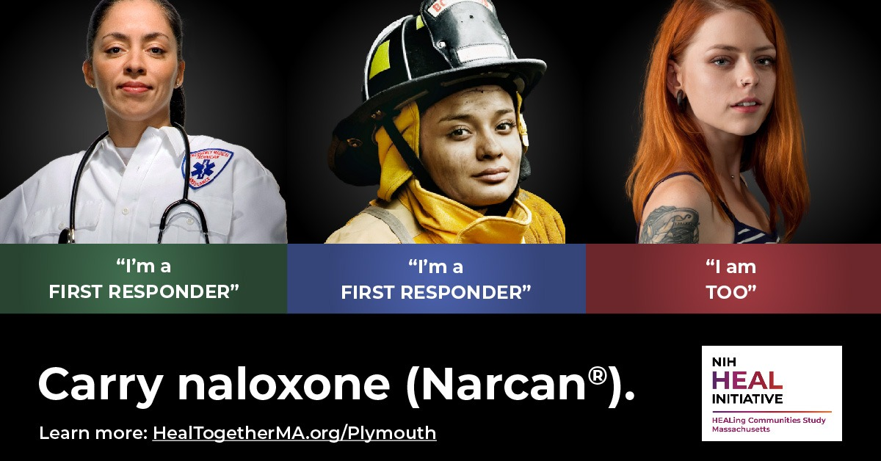 | Help your community combat the epidemic | 49963 | 397 | 0 | 9 | 0 | 0.79% | 28935 | $1.14 | $0.00 | $451.34
Help to Save a Life |  | Help your community combat the epidemic | 59867 | 311 | 0 | 15 | 0 | 0.52% | 24337 | $1.45 | $0.00 | $450.52
Help to Save a Life | 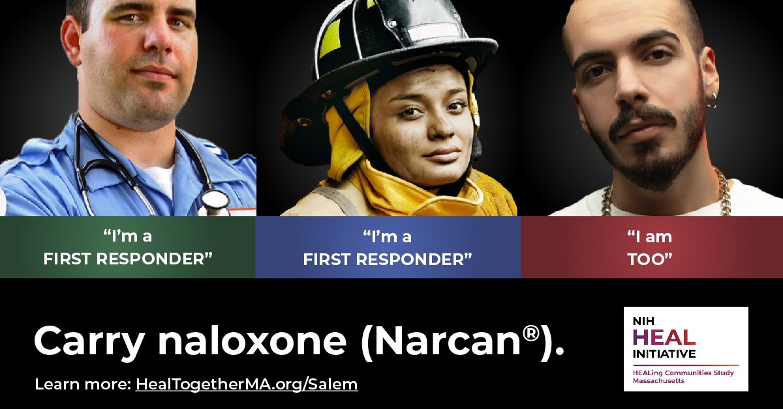 | Help your community combat the epidemic | 50762 | 295 | 0 | 18 | 0 | 0.58% | 28986 | $1.43 | $0.00 | $421.86
Ayuda a salvar una vida | 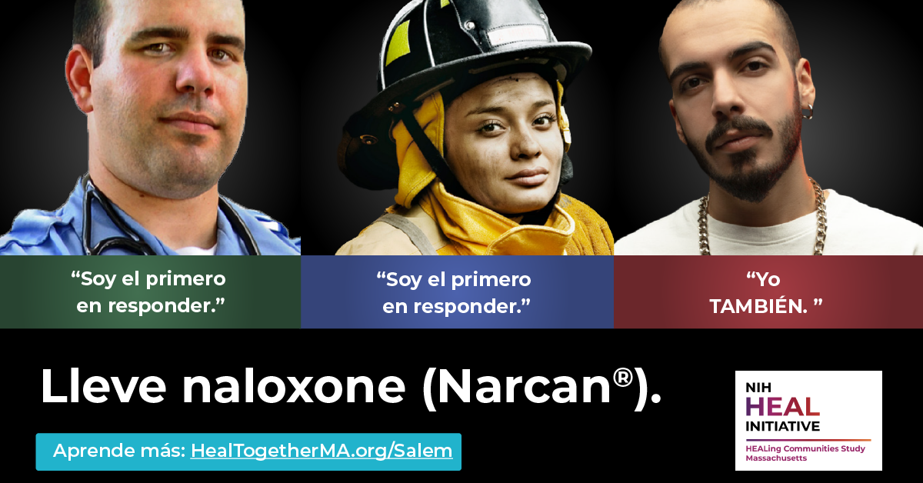 | Ayuda a tu comunidad a combatir la epidemia. | 17 | 0 | 0 | 0 | 0 | 0.00% | 16 | $0.00 | $0.00 | $0.20
Ayuda a salvar una vida | 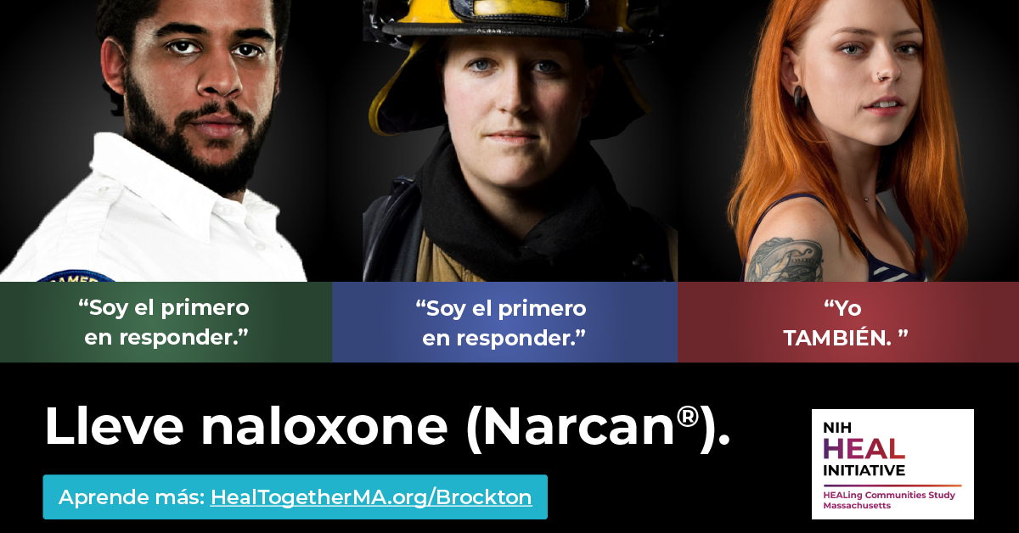 | Ayuda a tu comunidad a combatir la epidemia. | 19 | 0 | 0 | 0 | 0 | 0.00% | 18 | $0.00 | $0.00 | $0.16
Ayuda a salvar una vida | 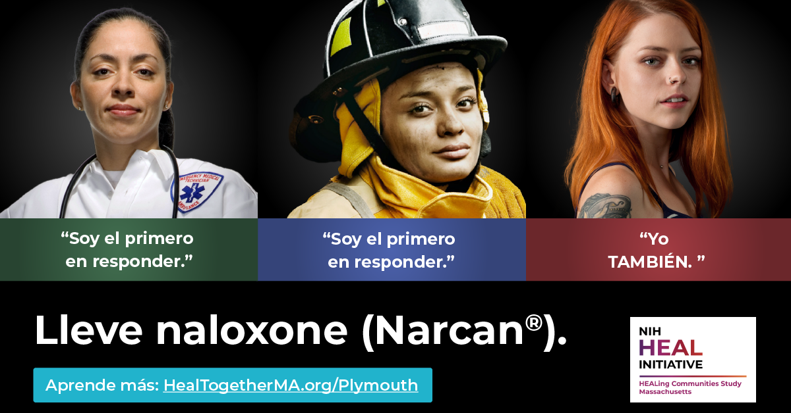 | Ayuda a tu comunidad a combatir la epidemia. | 8 | 0 | 0 | 0 | 0 | 0.00% | 8 | $0.00 | $0.00 | $0.02
Ayuda a salvar una vida | 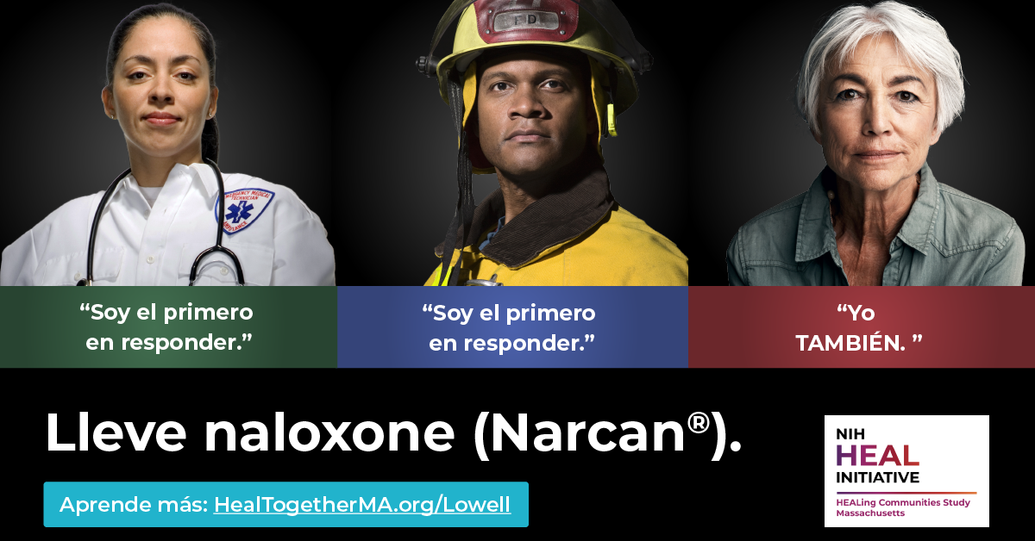 | Ayuda a tu comunidad a combatir la epidemia. | 44 | 0 | 0 | 0 | 0 | 0.00% | 35 | $0.00 | $0.00 | $0.26
Ayuda a salvar una vida | 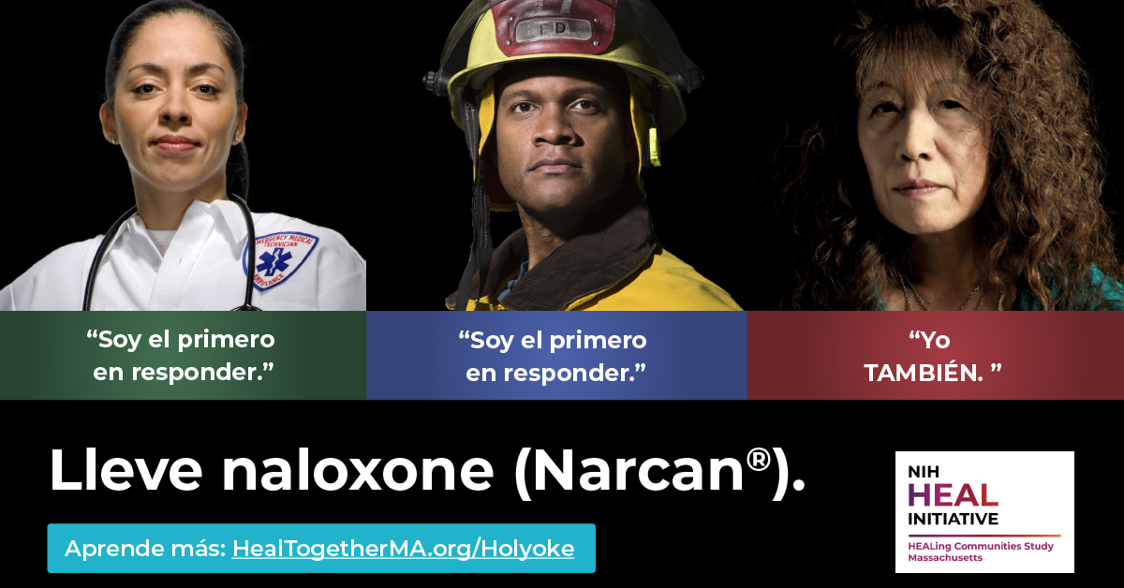 | Ayuda a tu comunidad a combatir la epidemia. | 49 | 1 | 0 | 0 | 0 | 2.04% | 44 | $1.72 | $0.00 | $1.72
Ayuda a salvar una vida |  | Ayuda a tu comunidad a combatir la epidemia. | 2 | 0 | 0 | 0 | 0 | 0.00% | 2 | $0.00 | $0.00 | $0.12

